Geographical
Row Labels | Count of Geography
Africa | 6
Africa; Europe; North America; South America; Developing Countries | 1
Africa; Nigeria; Kenya; South Africa; Ghana | 1
Africa; Rwanda | 1
Argentina; Brazil; Chile; Colombia; Mexico | 1
Argentina; Colombia; Chile; Costa Rica; Brazil | 1
Asia | 1
Australia | 2
Australia; Canada; Japan; United Kingdom; United States | 1
Australia; Canada; New Zealand; United Kingdom; South Korea | 1
Australia; Hong Kong | 1
Australia; United States; Spain | 1
Austria | 1
Bangladesh | 1
Belgium; Brazil; Canada; Germany; United Kingdom | 1
Benin; Egypt; Mauritius; Morocco; Rwanda | 1
Brazil | 1
Brazil; India | 1
Brazil; Russia; India; China; South Africa | 1
Brunei; Cambodia; Indonesia; Malaysia; Thailand | 1
Cambodia | 1
Canada | 3
Chile | 1
China | 25
China; Africa | 1
China; European Union; United States | 1
China; United States; France; Germany | 1
Colombia | 1
Denmark; Finland; Iceland; Norway; Sweden | 1
Denmark; Scandinavia | 1
Ecuador; Guayaquil | 1
Egypt | 1
Egypt; Rwanda; Mauritius | 1
Europe; North America; Canada; United States; Sub-Saharan Africa | 1
European Union | 32
European Union; China; United States | 1
European Union; Council of Europe; Global | 1
European Union; France; Spain | 1
European Union; Germany; France; Italy; Spain | 3
European Union; Global | 1
European Union; Hong Kong; China; Southeast Asia; Global | 1
European Union; India; Rwanda; Senegal; United States | 1
European Union; Italy | 1
European Union; Spain | 2
European Union; United Kingdom; China | 1
European Union; United States | 2
European Union; United States; China | 3
European Union; United States; China; India | 1
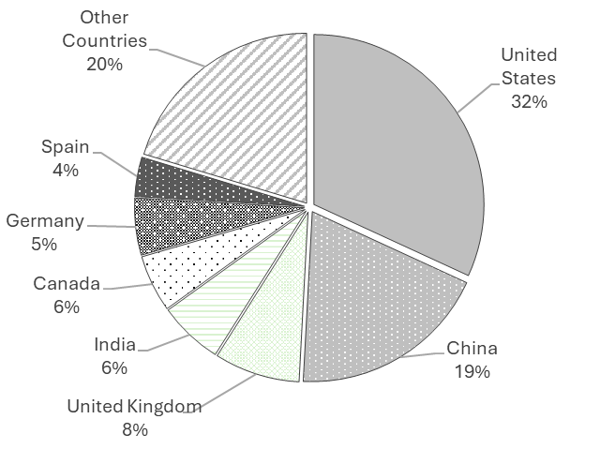
European Union; United States; China; Japan; Global | 1
European Union; United States; China; Russia; Global | 1
European Union; United States; Global | 2
European Union; United States; United Kingdom | 1
France; Germany; Italy; Netherlands; Poland | 1
Germany | 6
Germany; Spain; Poland; United Kingdom | 1
Global | 234
Global South; Developing Countries | 1
Global South; Global North | 1
Global; Oecd Countries; Yangtze River Delta | 1
Hong Kong | 1
India | 10
India; United States; United Kingdom; European Union; Global | 1
Indonesia | 2
Indonesia; Jakarta; Central Java; East Java | 1
Italy | 1
Japan | 1
Japan; China | 1
Kenya | 3
Korea; European Union; Global | 1
Kyrgyzstan | 1
Latin America; Caribbean | 1
Lithuania | 1
Malaysia | 1
Mauritius; South Africa; Ghana; Gabon | 1
Mexico; Spain | 1
Mexico; United States; Canada | 1
Morocco | 1
Nato; United States; Canada; United Kingdom; Germany | 1
Nigeria | 1
Nigeria; Singapore; Japan; United Kingdom; European Union | 1
Nordic Countries; European Union; Denmark; Sweden; Finland | 1
Nordic Countries; United States; Canada; Germany; United Kingdom | 1
Oecd Countries | 1
Oman; Morocco; India; African Countries; Jerada City | 1
Pakistan | 1
Philippines | 1
Philippines; United States; European Union; India; Unesco | 1
Poland | 1
Portugal | 1
Qatar | 1
Russia; Iran | 1
Russia; United States; China; European Union; Oecd Countries | 1
Rwanda; Ghana | 1
Saudi Arabia | 1
Shanghai | 1
Singapore; France; European Union | 1
Singapore; Malaysia; Indonesia; Vietnam; Thailand | 1
Singapore; Malaysia; Thailand; Indonesia; Vietnam | 1
South Africa; Kenya; Rwanda; Nigeria; Africa | 1
South Korea | 5
Spain | 1
Sub-Saharan Africa; Africa | 1
Sweden | 4
Taiwan | 1
Tanzania | 2
Turkey | 2
Turkey; European Union; Japan; Saudi Arabia; Global South | 1
Ukraine | 1
Ukraine; European Union; Canada; China; United Kingdom | 1
United Arab Emirates | 1
United Arab Emirates; New Zealand | 1
United Arab Emirates; United States | 1
United Kingdom | 5
United Kingdom; Canada | 1
United Kingdom; European Union | 1
United Kingdom; Germany; France; Italy; Spain | 1
United Kingdom; Japan | 1
United Kingdom; Norway; Denmark | 1
United States | 41
United States; Canada | 1
United States; Canada; Mexico; Europe; Asia | 1
United States; Canada; United Kingdom; European Union; China | 1
United States; China | 5
United States; China; European Union | 2
United States; China; Global | 1
United States; Denver | 1
United States; Europe; China; Singapore | 1
United States; European Union | 2
United States; European Union; China; Global North | 1
United States; European Union; China; India; Global | 1
United States; European Union; Global | 1
United States; European Union; Singapore; Switzerland | 1
United States; Global | 2
United States; New Jersey | 1
United States; New York City | 1
United States; United Kingdom; European Union; Canada; China | 1
United States; United Kingdom; Global | 1
Vietnam | 1
Zimbabwe | 2
(blank)
Grand Total | 520

Research Method
 | Total
Mixed Method | 80
Qualitative | 350
Quantitative | 90
(blank)
Row Labels | Count of Method
Mixed Method | 80
Qualitative | 350
Quantitative | 90
(blank)
Grand Total | 520

Sector
 | Total
agriculture | 3
defense/security | 7
education | 98
energy | 5
environment/sustainability | 10
finance | 3
government/public policy | 260
healthcare | 42
legal/regulatory | 30
manufacturing | 3
other (e.g., ….) | 56
retail/e-commerce | 2
transportation/logistics | 1
(blank)
Row Labels | Count of sector
agriculture | 3
defense/security | 7
education | 98
energy | 5
environment/sustainability | 10
finance | 3
government/public policy | 260
healthcare | 42
legal/regulatory | 30
manufacturing | 3
other (e.g., ….) | 56
retail/e-commerce | 2
transportation/logistics | 1
(blank)
Grand Total | 520

Governance Level
 | Total
Industry/Sector | 17
International/Intergov. | 40
municipal/city | 23
national/federal | 218
not specified | 2
Organizational | 71
other | 73
State/Province | 10
supranational/regional | 66
(blank)

Row Labels | AI Policy Governance Level
Industry/Sector | 17
International/Intergov. | 40
municipal/city | 23
national/federal | 218
not specified | 2
Organizational | 71
other | 73
State/Province | 10
supranational/regional | 66
(blank)
Grand Total | 520

Theory
Row Labels | Count of Theory
data governance | 5
diffusion of innovations (doi) | 9
Data Governance | 5
Diffusion of Innovations (DOI) | 9
Institutional Theory | 10
Risk Management Framework | 4
Socio-Technical Systems (STS) | 29
Stakeholder Theory | 8
Technology Acceptance Model (TAT) | 9
UTAUT | 1
governance & ethics frameworks | 142
institutional theory | 10
none/unspecified | 58
other | 1
policy analysis/public policy | 244
risk management framework | 4
socio-technical systems (sts) | 29
stakeholder theory | 8
technology acceptance model (tam) | 9
utaut | 1
(blank)
Grand Total | 520

